MCS-101
Course Outcomes of Advanced Data Structure MCS-101
S.N. | CO No. | Course Outcomes | Knowlwdge Level
1 | CO1 | Students learn about application of various data structure like stacks, queues, tree, graph, linked list etc. related to different operations | K1
2 | CO2 | Students learn to analyze and compare algorithms for efficiency | K2
3 | CO3 | It also includes the various concepts related to data storage in computers | K2
4 | CO4 | students become able to select appropriate data structures as applied to specified problem definition. | K3

Remark |  | No. of CO's are not fixed they may vary as per the requirement of subjects

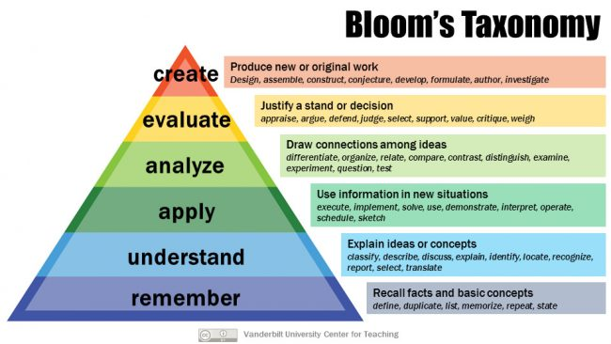
 |  | K1= Remember
 |  | K2= Understand
 |  | K3= Apply

